Sheet1
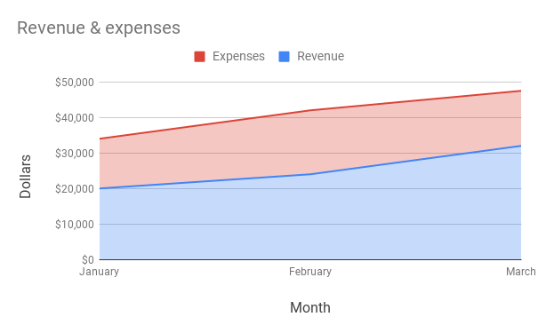
Example: | Area chart
Month | Revenue | Expenses
January | $20,000 | $14,000
February | $24,000 | $18,000
March | $32,000 | $15,500

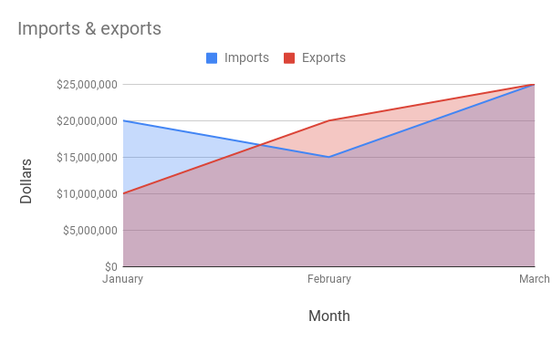
Example: | Area chart
Month | Imports | Exports
January | $20,000,000 | $10,000,000
February | $15,000,000 | $20,000,000
March | $25,000,000 | $25,000,000

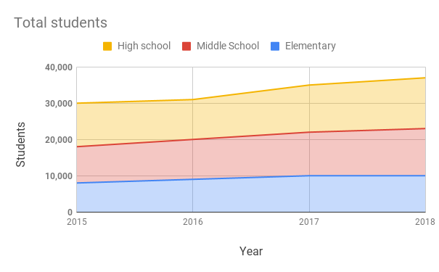
Example: | Stacked area chart
Year | Elementary | Middle School | High school
2015 | 8,000 | 10,000 | 12,000
2016 | 9,000 | 11,000 | 11,000
2017 | 10,000 | 12,000 | 13,000
2018 | 10,000 | 13,000 | 14,000

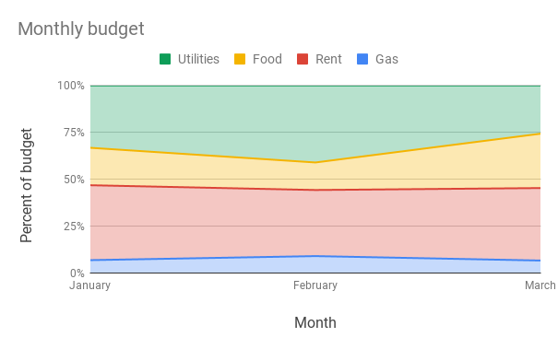
Example: | 100% stacked area
Month | Gas | Rent | Food | Utilities
January | 100 | $600 | $300 | $500.00
February | 150 | $600 | $250 | $700.00
March | 100 | $600 | $450 | $400.00

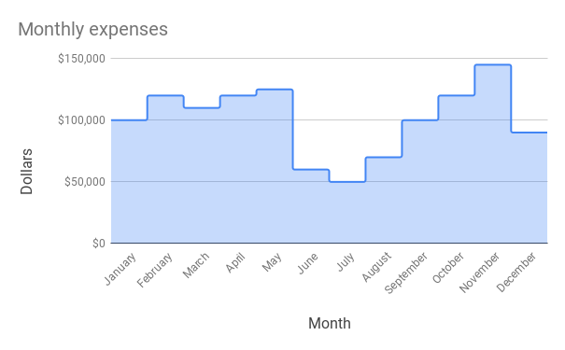
Example: | Stepped area
Month | Expenses
January | $100,000
February | $120,000
March | $110,000
April | $120,000
May | $125,000
June | $60,000
July | $50,000
August | $70,000
September | $100,000
October | $120,000
November | $145,000
December | $90,000

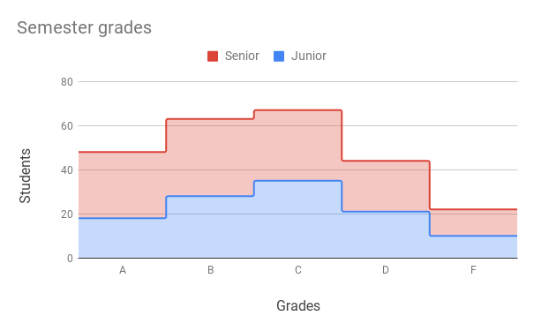
Example: | Stacked stepped area
Grades | Junior | Senior
A | 18 | 30
B | 28 | 35
C | 35 | 32
D | 21 | 23
F | 10 | 12

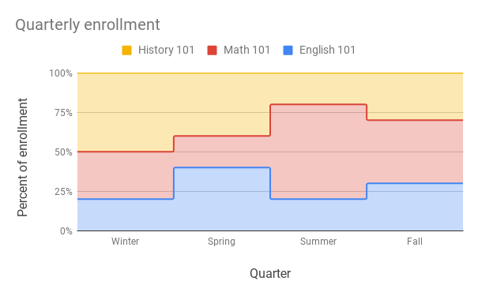
Example: | 100% stacked stepped area
Quarter | English 101 | Math 101 | History 101
Winter | 200 | 300 | 500
Spring | 400 | 200 | 400
Summer | 100 | 300 | 100
Fall | 300 | 400 | 300

